Sheet1
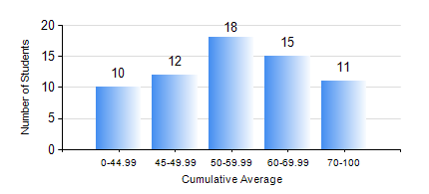
 |  |  | KWAME NKRUMAH UNIVERSITY OF SCIENCE AND TECHNOLOGY, KUMASI Department of Materials Engineering

 |  |  | BSC. METALLURGICAL ENG.

 |  |  | COMPREHENSIVE RECORD OF EXAMINATION RESULTS

 |  |  | RESULTS OF YEAR 2 FIRST SEMESTER, 2023/2024 ACADEMIC YEAR

 | Sn | Course Code |  | Course Name | Credit Hours | Min. Mark | Max. Mark | Avg. Mark | Std. Dev. | No. Passed | No. Trailed | No. (Df) | No. (I) | No. (I*) | No. Tagged(I,I*,Df) | Total
 | 0. |  |  |  |  |  |  | 0 | 0 | 0 | 0 | 0 | 0 | 0 | 0 | 8
 | 1. | CENG 291 |  | ENGINEERING IN SOCIETY | 2 | 22 | 85 | 70 | 11.36 | 55 | 3 | 0 | 0 | 0 | 0 | 58
 | 2. | GED 251 |  | MINERALOGY | 3 | 15 | 90 | 57 | 18.18 | 52 | 6 | 0 | 0 | 0 | 0 | 58
 | 3. | MATH 251 |  | DIFFERENTIAL EQUATIONS | 4 | 15 | 75 | 53 | 11.3 | 57 | 1 | 0 | 0 | 0 | 0 | 58
 | 4. | METE 251 |  | METALLURGICAL THERMODYNAMICS | 3 | 11 | 92 | 51 | 20.85 | 46 | 12 | 0 | 0 | 0 | 0 | 58
 | 5. | MSE 251 |  | MOMENTUM TRANSPORT | 2 | 22 | 82 | 48 | 13.51 | 43 | 10 | 5 | 0 | 0 | 5 | 58
 | 6. | MSE 253 |  | MECHANICAL BEHAVIOUR OF MATERIALS | 3 | 16 | 86 | 52 | 15.17 | 51 | 7 | 0 | 0 | 0 | 0 | 58
 | 7. | MSE 255 |  | PROPERTIES OF ENGINEERING MATERIALS | 3 | 15 | 93 | 56 | 20.13 | 47 | 11 | 0 | 0 | 0 | 0 | 58
 | 8. | MSE 257 |  | INDIGENOUS PROCESSING | 1 | 56 | 81 | 73 | 4.28 | 56 | 1 | 1 | 0 | 0 | 1 | 58

